1
 | FURUKAWA AUTOMOTIVE SYSTEMS LIMA PHILIPPINES, INC. |  |  |  |  | Zaihai System Work Instructions |  |  |  |  |  | DOCUMENT TYPE: | WORK INSTRUCTION | PAGE NO.: | 1 / 3
 |  |  |  |  |  |  |  |  |  |  |  | DOCUMENT NO.: | REVISION NO.: | EFFECTIVITY DATE:
 |  |  |  |  |  |  |  |  |  |  |  | 1 | 0
CAR MODEL |  | MATERIALS |  |  |  |  |  | DEVICES / EQUIPMENT USED |  |  | REFERENCE
N/A |  | Computer Application |  |  |  |  |  | Computer |  |  | N/A

FORMS |  |  |  |  | PURPOSE |  |  |  | SCOPE
 |  |  |  |  | To provide a work instructions on how to scan applicator on applicator out and in, make checksheets and checking of applicator list and history using Zaihai System |  |  |  | These steps only for users of shop interface who will operate applicator list, out, in, checksheets and history using Zaihai System
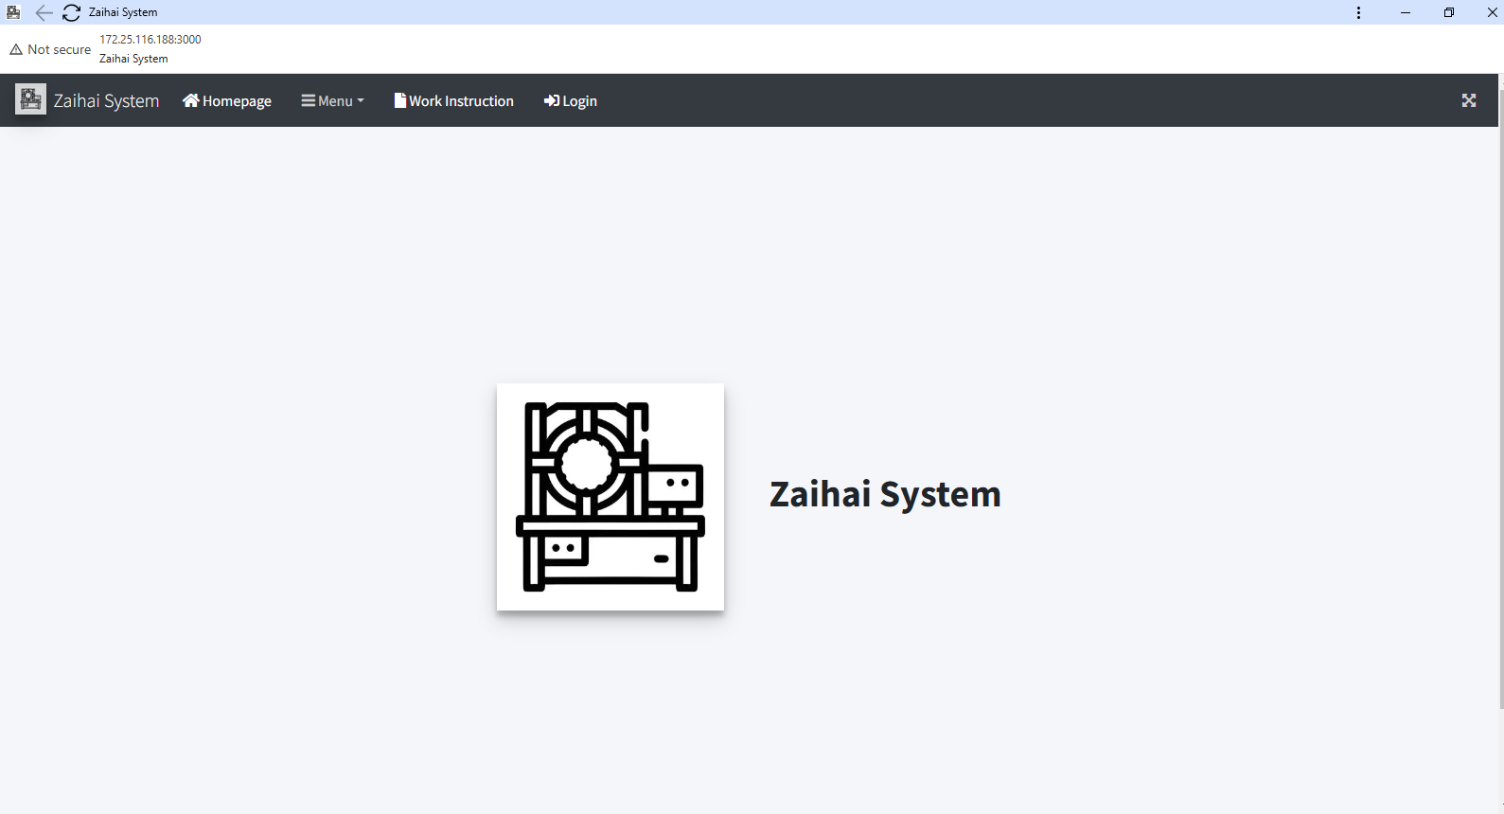

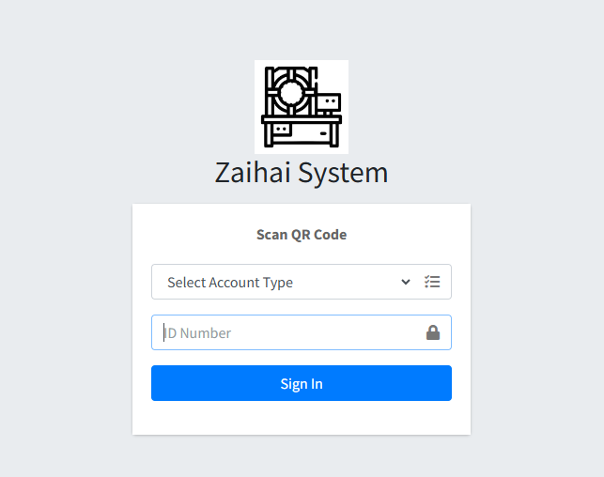
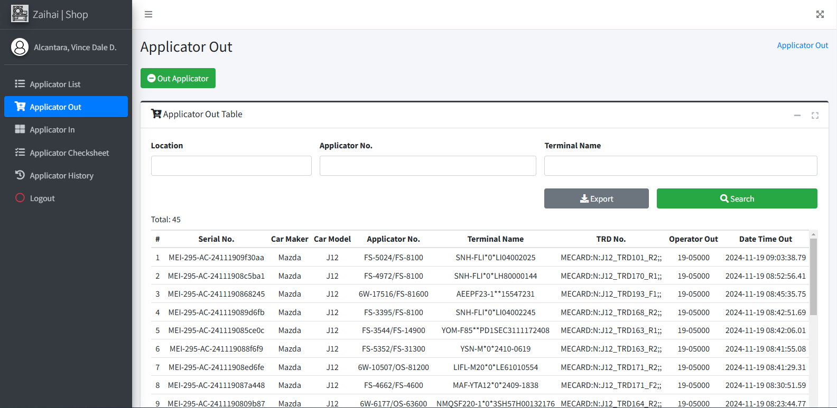

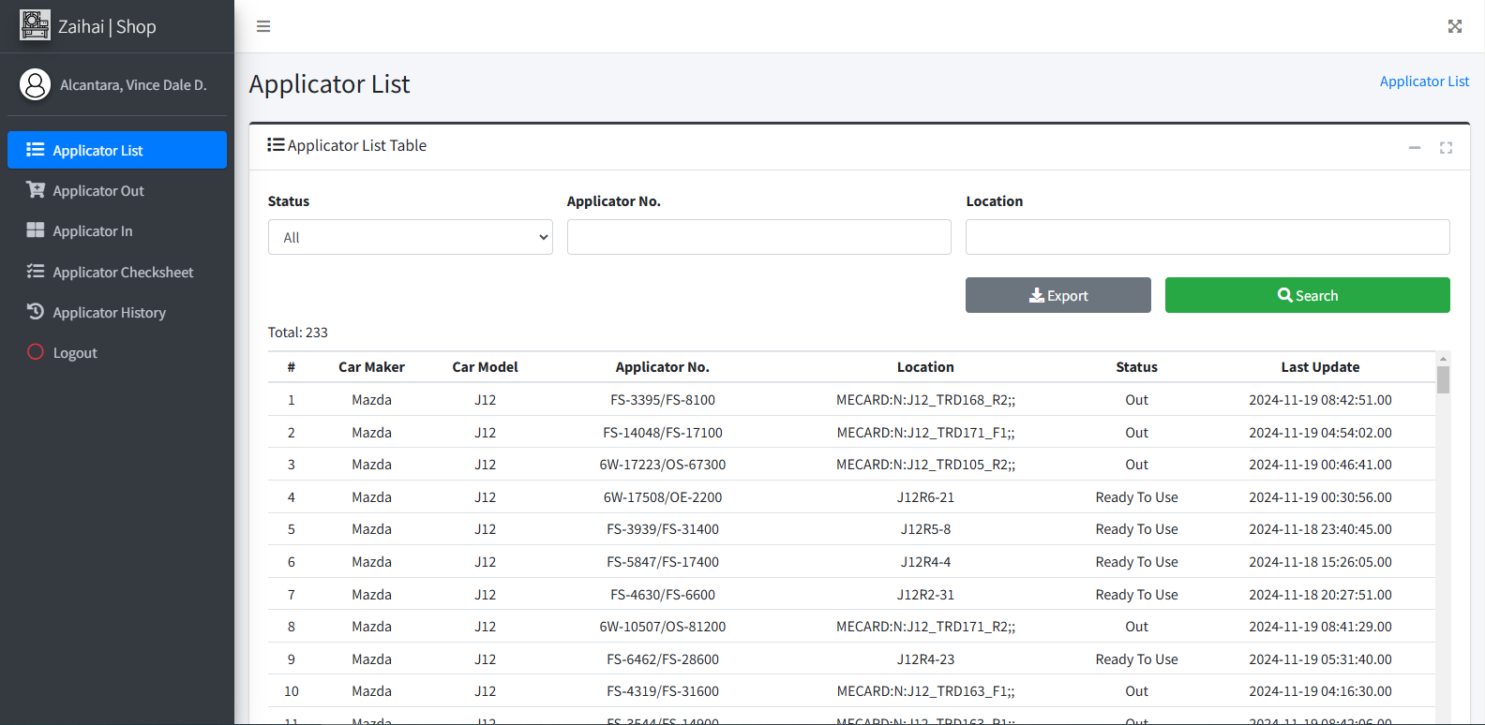
1
Login to Zaihai System - Choose "Shop" from the account type and scan QR Code of PIC (Zaihaiman, Inspector) to access the system.
3
Click Out Applicator Button.
5
Out Applicator
Click login menu item from the navbar.
2
After Login, Applicator List will appear. You may search for applicator status from this page. To out applicator, click Applicator Out from sidebar.
4
The Applicator Out Modal appears. Scan all required inputs IN ORDER until it outputs the result.
6
Get started by going to your desktop or taskbar and look for Zaihai System Logo.
URL : http://172.25.116.188:3000/zaihai/

 |  |  |  |  |  |  |  |  |  | Amazon.com: Ethernet Cable Labels

Shop

Applicator Out
Scan TRD Cart QR Code

Login
Scan Applicator Barcode

Scan Terminal Name Barcode

 |  |  |  |  |  |  |  |  |  |  |  |  |  |  |  | s

Result appears here

0
DR/CN No. |  |  | Revision No. | Effectivity Date |  |  | Details of change
 |  |  | 0 |  |  |  | First Issue

2
 | FURUKAWA AUTOMOTIVE SYSTEMS LIMA PHILIPPINES, INC. |  |  |  |  | Zaihai System Work Instructions |  |  |  |  |  | DOCUMENT TYPE: | WORK INSTRUCTION | PAGE NO.: | 2 / 3
 |  |  |  |  |  |  |  |  |  |  |  | DOCUMENT NO.: | REVISION NO.: | EFFECTIVITY DATE:
 |  |  |  |  |  |  |  |  |  |  |  | 1 | 0
CAR MODEL |  | MATERIALS |  |  |  |  |  | DEVICES / EQUIPMENT USED |  |  | REFERENCE
N/A |  | Computer Application |  |  |  |  |  | Computer |  |  | N/A

FORMS |  |  |  |  | PURPOSE |  |  |  | SCOPE
 |  |  |  |  | To provide a work instructions on how to scan applicator on applicator out and in, make checksheets and checking of applicator list and history using Zaihai System |  |  |  | These steps only for users of shop interface who will operate applicator list, out, in, checksheets and history using Zaihai System

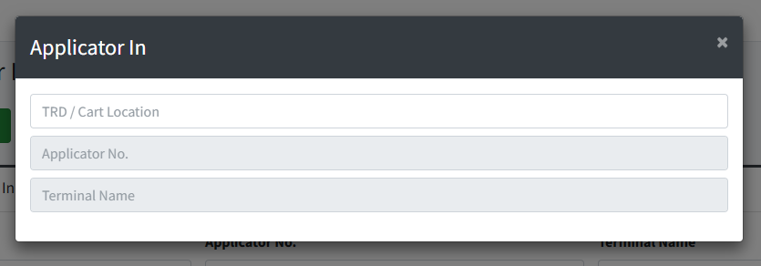
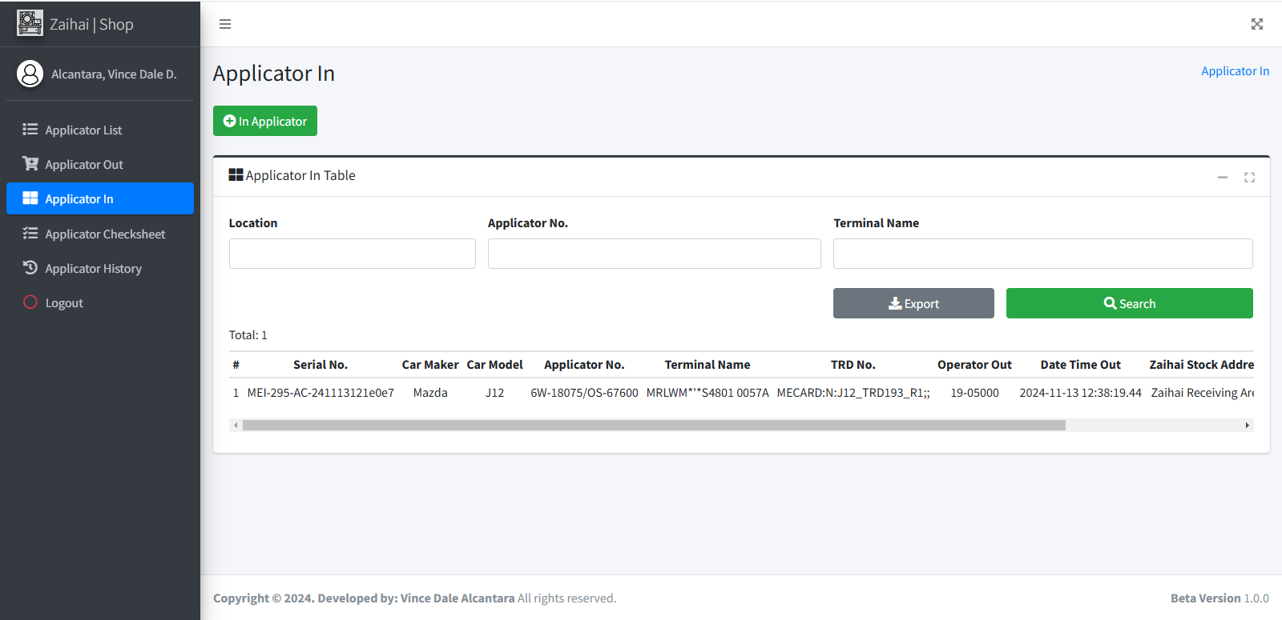
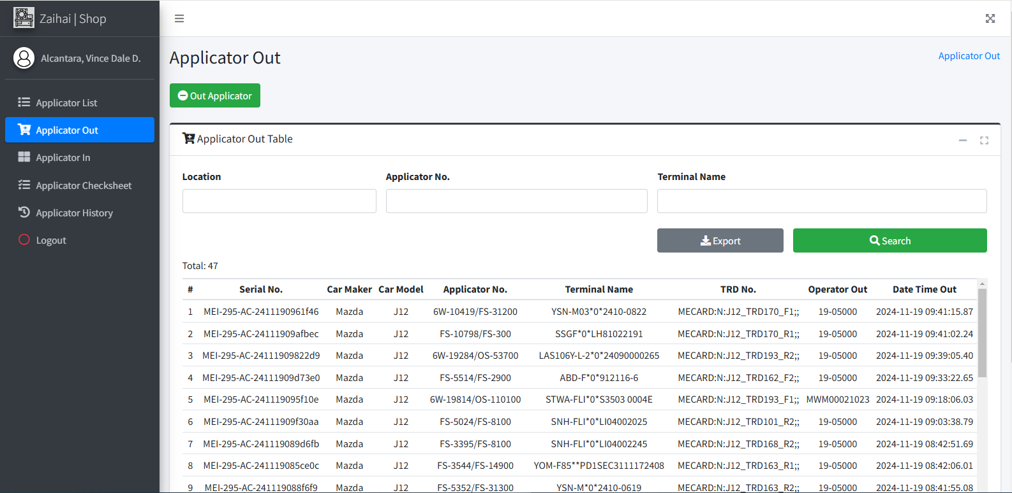
The Applicator In Modal appears. Scan all required inputs IN ORDER until it outputs the result.
9
Click In Applicator Button.
8
You may search for applicator out from this page. If Applicator is returned, click Applicator In from sidebar.
7
You may search for applicator in from this page. If applicator needs to have checksheet, click Applicator Checksheet from sidebar.
10

11

You may search for applicator that needs checksheet on this page. Click the row of a specific applicator from the table to make checksheet.

 |  |  |  |  |  |  |  |  |  | Amazon.com: Ethernet Cable Labels
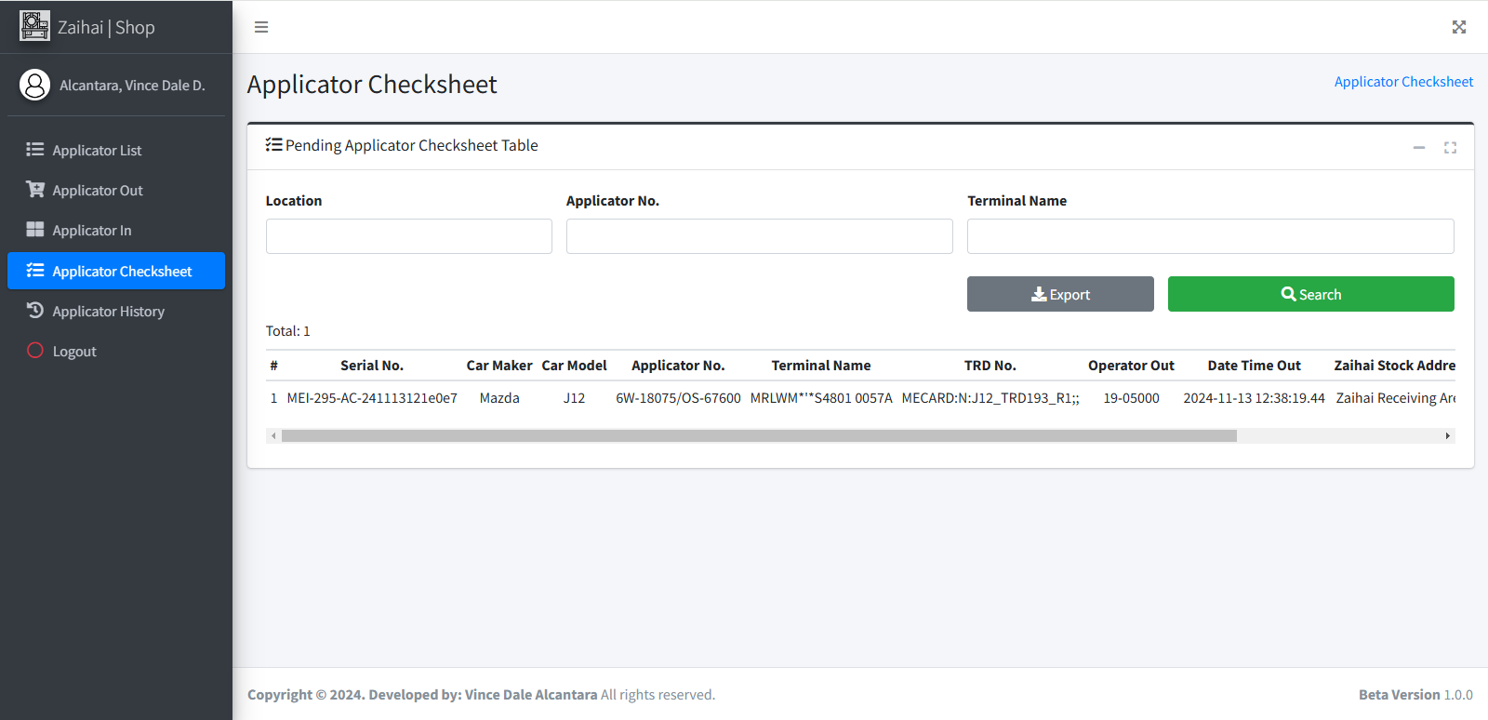

Scan TRD Cart QR Code

Scan Applicator Barcode

Scan Terminal Name Barcode

Click any rows here

Result appears here

12

The Applicator Checksheet Modal appears. Fill out the checksheet and click Make Checksheet Button if finished. Wait until it was successfully saved.

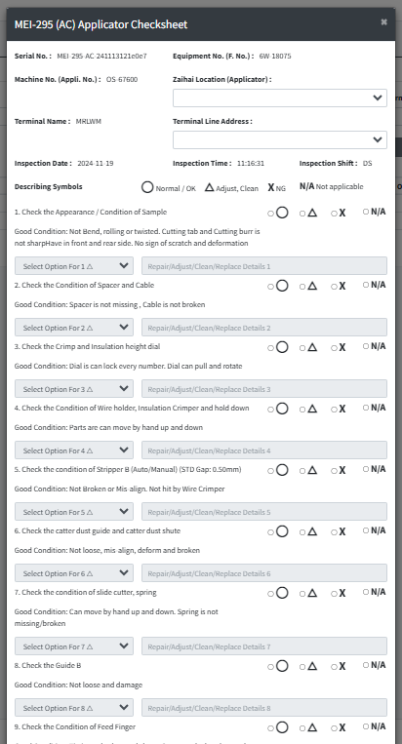
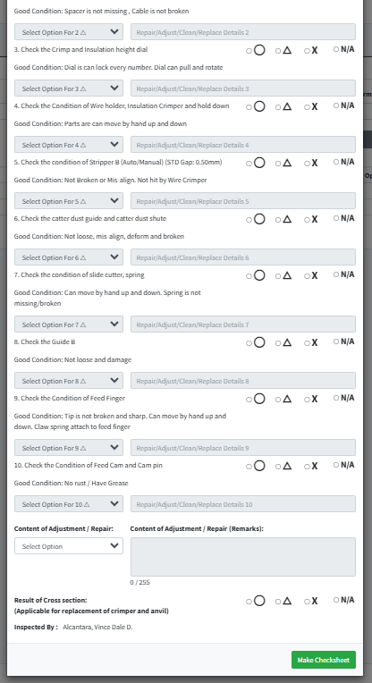

In Applicator
Applicator Checksheet

 |  |  |  |  |  |  |  |  |  |  |  |  |  |  |  | s

Make Chechsheet

0
DR/CN No. |  |  | Revision No. | Effectivity Date |  |  | Details of change
 |  |  | 0 |  |  |  | First Issue

3
 | FURUKAWA AUTOMOTIVE SYSTEMS LIMA PHILIPPINES, INC. |  |  |  |  | Zaihai System Work Instructions |  |  |  |  |  | DOCUMENT TYPE: | WORK INSTRUCTION | PAGE NO.: | 3 / 3
 |  |  |  |  |  |  |  |  |  |  |  | DOCUMENT NO.: | REVISION NO.: | EFFECTIVITY DATE:
 |  |  |  |  |  |  |  |  |  |  |  | 1 | 0
CAR MODEL |  | MATERIALS |  |  |  |  |  | DEVICES / EQUIPMENT USED |  |  | REFERENCE
N/A |  | Computer Application |  |  |  |  |  | Computer |  |  | N/A

FORMS |  |  |  |  | PURPOSE |  |  |  | SCOPE
 |  |  |  |  | To provide a work instructions on how to scan applicator on applicator out and in, make checksheets and checking of applicator list and history using Zaihai System |  |  |  | These steps only for users of shop interface who will operate applicator list, out, in, checksheets and history using Zaihai System

Terminal Not Found - means Terminal Name not found on Applicator Terminal Masterlist (ME)

From the pending line support acceptance table, Click on the desired row on which employee you will accept or reject during the line support acceptance
13
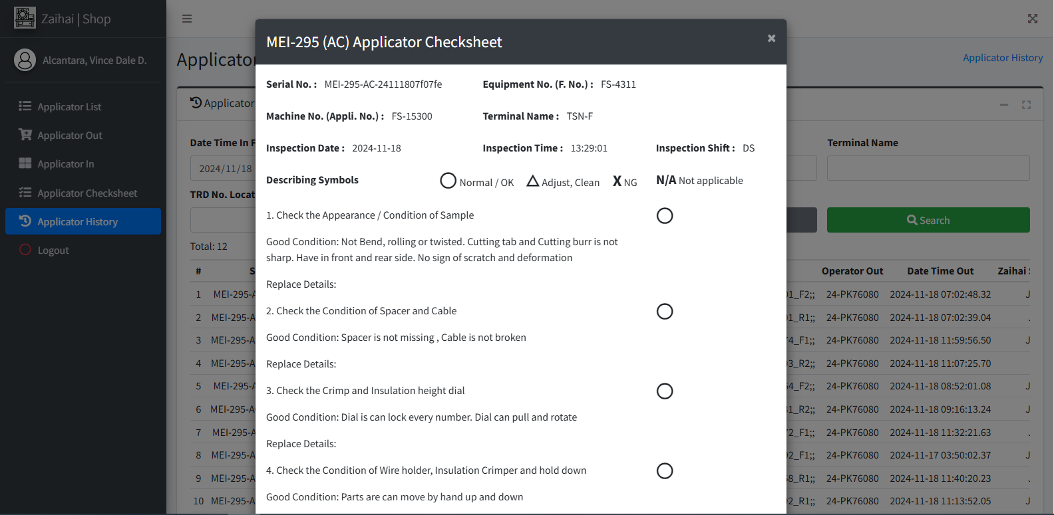
The Applicator Checksheet Modal appears. You may now view checksheet based on the row you clicked.
15

Unmatched Or Record Not Found On Applicator Terminal - means both Applicator No. and Terminal Name found but not on the same record on Applicator Terminal Masterlist (ME)

 |  |  |  |  |  |  |  |  |  | Amazon.com: Ethernet Cable Labels

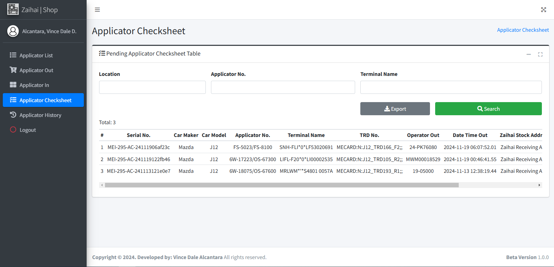

Applicator Already In Pending / Applicator Still Pending - means applicator is in "pending" status
Applicator History

Applicator Currently Ready To Use - means applicator is in "ready to use" status

Applicator Already Out - means applicator is in "out" status

Unmatched TRD / Cart Location - means TRD / Cart Location (TRD NO.) from Applicator Out is not matched to the current scanned TRD / Cart Location QR Code Value
Applicator OUT and IN error reference

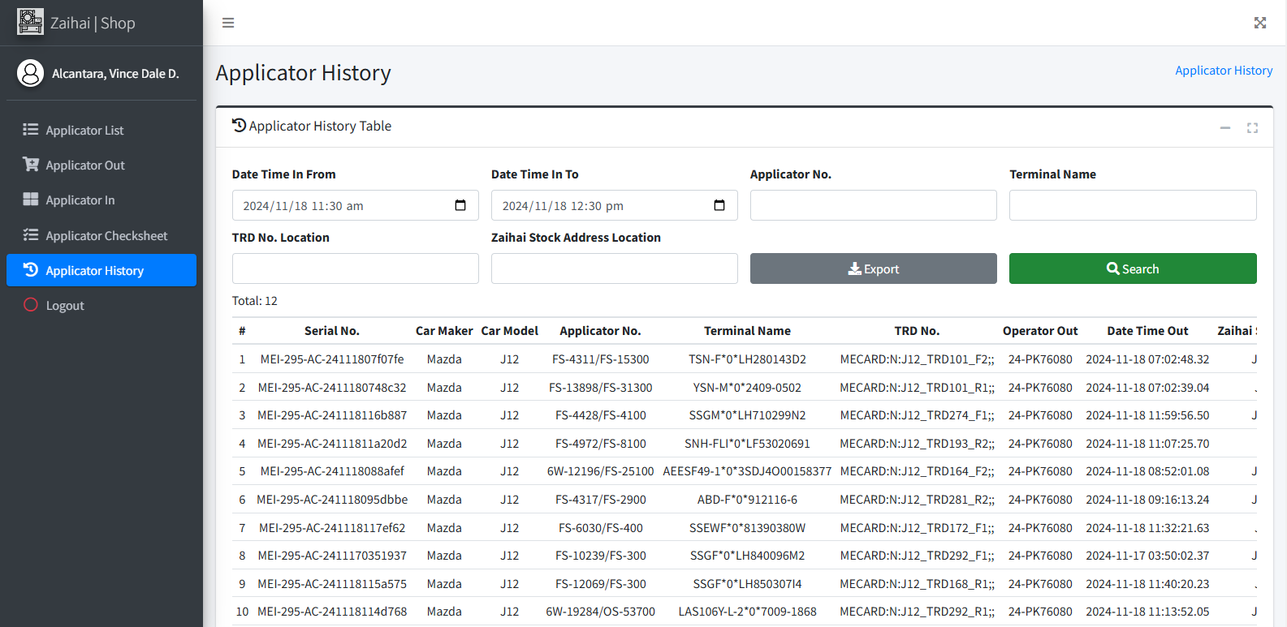
You may search for applicator history based on Applicator In Date Range. Click Search Button for search result. Click the row of a specific applicator from the table to view checksheet.
14

Failed. Please Try Again or Call IT Personnel Immediately!: error - means a System Error was occured and need to inform IT for investigating and finding solution to the specific error.

Invalid Applicator No. - means applicator no. format is invalid.

Search
Invalid Terminal Name - means terminal name format is invalid.

Session was expired. Please Re-Login you account - means session was expired so IT advice users to re-login account if this occurs.

Applicator And Terminal Not Found - means both Applicator No. and Terminal are not found on Applicator Terminal Masterlist (ME)
 |  |  |  |  |  |  |  |  |  |  |  |  |  |  |  | s

Applicator Not Found - means Applicator No. not found on Applicator Terminal Masterlist (ME)

Click any rows here

0
DR/CN No. |  |  | Revision No. | Effectivity Date |  |  | Details of change
 |  |  | 0 |  |  |  | First Issue

